Sheet1
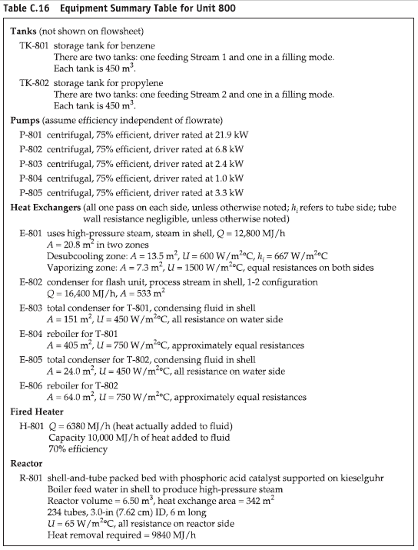
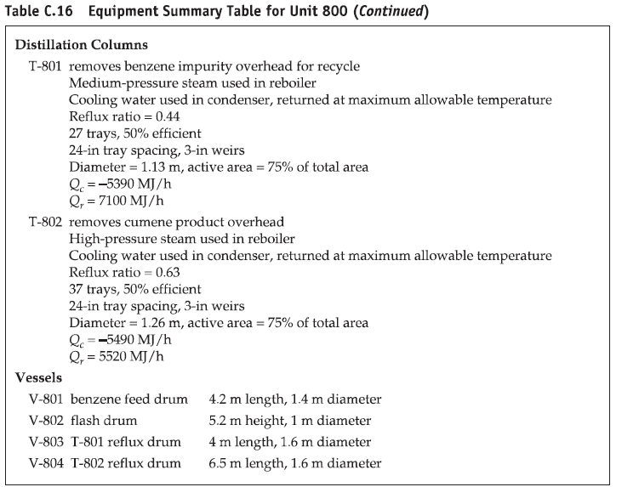
 |  |  | Sizing |  |  |  |  | Utilities |  |  |  |  |  | Inlet |  | Outlet
Unit ID | Description | MOC | L or H [m] | D [m] | A [m2] | V [m3] | U [W/m2C] | Efficiency | Brake Power [kW] | Heat Duty [W] | Heat Duty [kW] | Utility 1 | Utility 2 | T [C] | P [bar] | T [C] | P [bar]
TK-801 | storage tank for benzene | carbon steel |  |  |  | 450
TK-802 | storage tank for propylene | carbon steel |  |  |  | 450
P-801 | centrifugal | carbon steel |  |  |  |  |  | 75% | 24.2
P-802 | centrifugal | carbon steel |  |  |  |  |  | 75% | 7.00
P-803 | centrifugal in T-801 | carbon steel |  |  |  |  |  | 75% | 2.4
P-804 | centrifugal (between T-801 and T-802, not used) | carbon steel |  |  |  |  |  | 75% | 1.0
P-805 | centrifugal in T-802 | carbon steel |  |  |  |  |  | 75% | 3.3
E-801 | feed vaporizer | carbon steel |  |  | 13.5, 7.3 |  | 600, 1500 |  |  | 3.39E+06 | 3390.00 | HPS
E-802 | condenser for flash unit | carbon steel |  |  | 533 |  |  |  |  | 5.31E+06 | 5310.00 | CW
E-803 | total condenser for T-801 | carbon steel |  |  | 151 |  | 450 |  |  | -1.93E+06 | -1930.00 | CW
E-804 | reboiler for T-801 | carbon steel |  |  | 405 |  | 750 |  |  | 2.36E+06 | 2360.00 | MPS
E-805 | total condenser for T-802 | carbon steel |  |  | 24 |  | 450 |  |  | -1.61E+06 | -1610.00 | CW
E-806 | reboiler for T-802 | carbon steel |  |  | 64 |  | 750 |  |  | 1.61E+06 | 1610.00 | HPS
H-801 | reactor feed fired heater | carbon steel |  |  |  |  |  | 70% |  | 2.67E+06 | 2670.00 | Air | FG
R-801 | shell-and-tube packed bed with catalyst | carbon steel |  |  | 342 | 6.50 | 65 |  |  |  |  | BFW | HPS
T-801 | removes benzene impurity overhead for recycle | carbon steel | 8.69 | 1.13 | 75% total area |  |  | 50% |  |  |  | MPS reb | CW cond
T-802 | removes cumene product overhead | carbon steel | 11.13 | 1.26 | 75% total area |  |  | 50% |  |  |  | HPS reb | CW cond
V-801 | benzene feed drum | carbon steel | 4.2 | 1.4
V-802 | flash drum | carbon steel | 5.2 | 1 |  |  |  |  |  | 7.11E+04
V-803 | T-801 reflux drum | carbon steel | 4 | 1.6
V-804 | T-802 reflux drum | carbon steel | 6.5 | 1.6

